LIERAC, PHYTO, ROGER GALLET
FRENCH COSMETICS
PHOTOS | BRAND | REF | EAN | DESCRIPTION | QTY | RETAIL | TOTAL
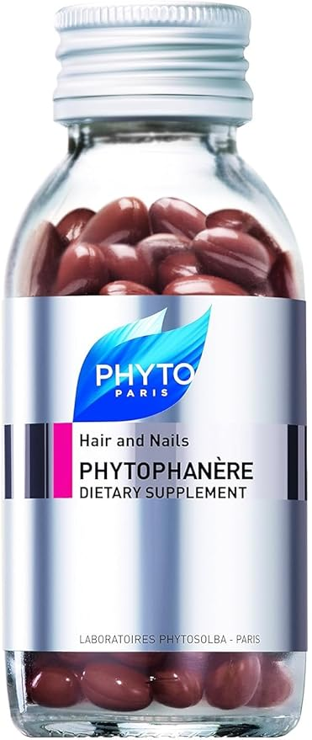 | PHYTO PARIS | PH10034A312AR | 618059018411 | PHYTOPHANERE 120 Caps | 4,065 | 13.90 € | 56,503.50 €
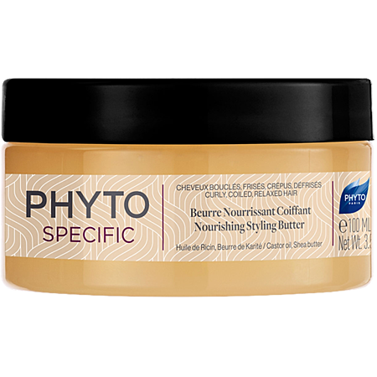 | PHYTO PARIS | PS10001A31026 | 3338220100512 | BEURRE NOURISSANT Coiff 100ml | 835 | 12.90 € | 10,771.50 €
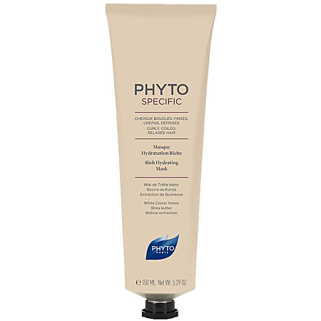 | PHYTO PARIS | PS10003A31590 | 3338220100666 | MASK HYDRAT RICHE 150ml | 7,402 | 14.70 € | 108,809.40 €
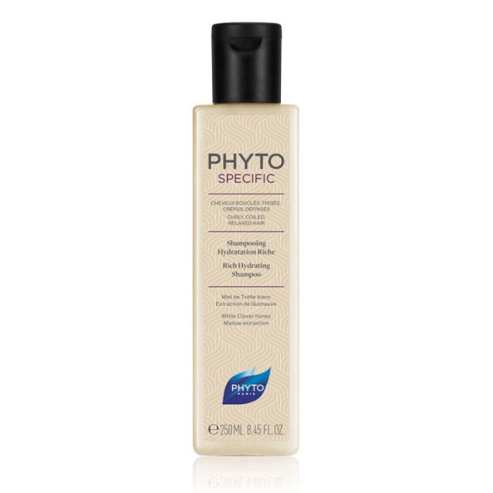 | PHYTO PARIS | PS10018A32590 | 3338220100758 | SHAMP HYDRATATION RICHE 250ml | 2,237 | 10.99 € | 24,584.63 €
 | PHYTO PARIS | PS10018A325IT | 3338220100758 | SHP HYDRATATION RICHE 250ml | 291 | 10.99 € | 3,198.09 €
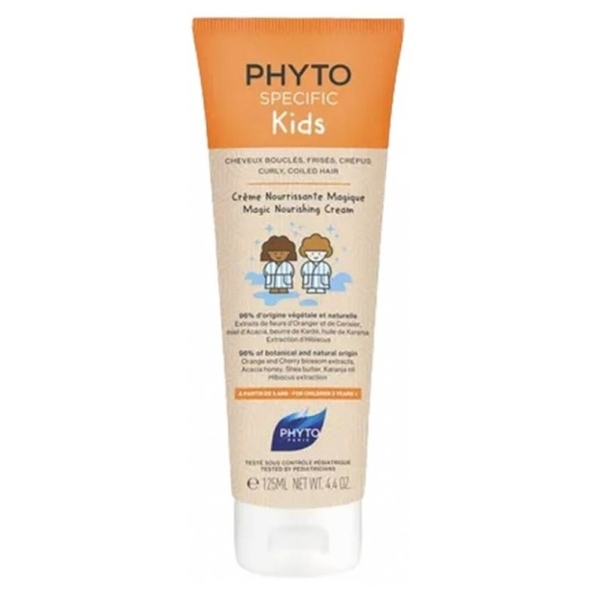 | PHYTO PARIS | PS10020A31227 | 3338220100840 | KIDS CREME MAGIQUE 125ML | 8,968 | 10.00 € | 89,680.00 €
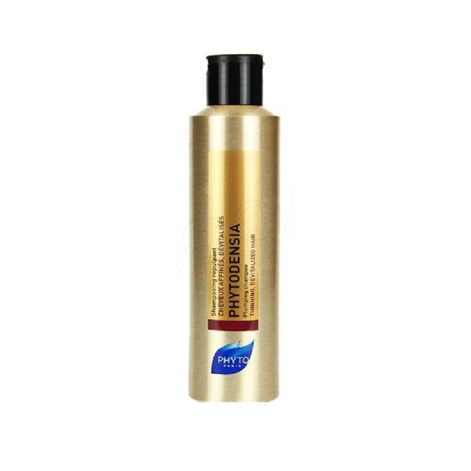 | PHYTO PARIS | P3620010 | 3338221000712 | PHYTODENSIA Shamp 200ml | 352 | 16.00 € | 5,632.00 €
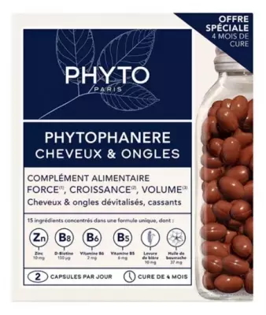 | PHYTO PARIS | PH10034D102FR | 3338221001085 | DUO PHYTOPHANERE 240 caps FR | 15,000 | 23.49 € | 352,350.00 €
 | PHYTO PARIS | P00140001 | 3338221001467 | PHYTOKERATINE EXTR Mask 200ml | 1,541 | 28.00 € | 43,148.00 €
 | PHYTO PARIS | P00140002 | 3338221001467 | PHYTOKERATINE EXTR Mask 200ml | 3,660 | 28.00 € | 102,480.00 €
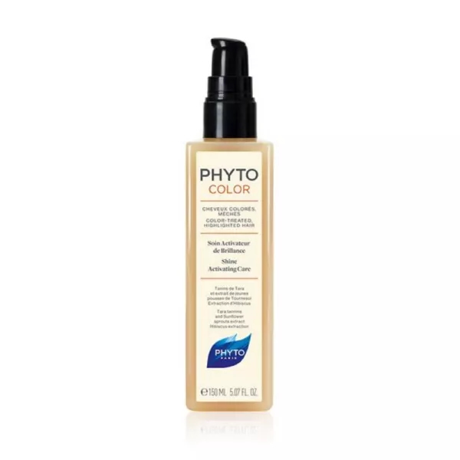 | PHYTO PARIS | PH10030A31590 | 3338221002921 | PHYTOCOLO Soin Activ Bri 150ML | 1,477 | 14.00 € | 20,678.00 €
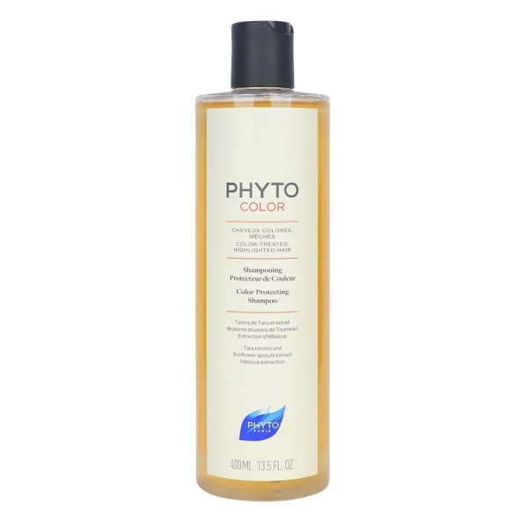 | PHYTO PARIS | PH10008A34090 | 3338221004246 | PHYTOCOLOR Sh Protect Coul 400 | 6,522 | 13.40 € | 87,394.80 €
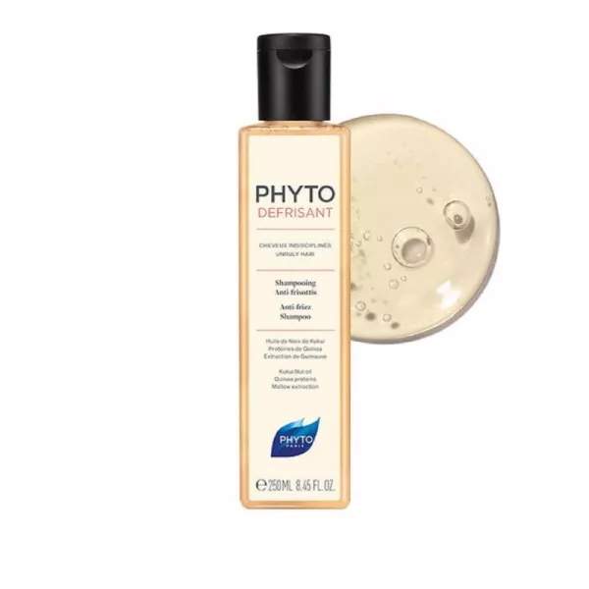 | PHYTO PARIS | PH10093A32590 | 3338221007100 | PHYTODEFRISANT SHAMP 250ml | 232 | 8.00 € | 1,856.00 €
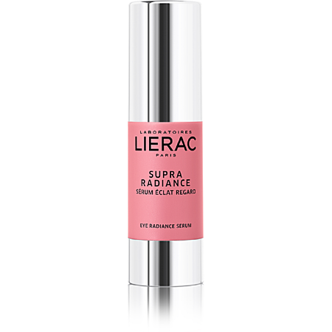 | LIERAC | LL10038A21510 | 3508240003364 | SUPRA RADIANCE Yeux 15ml | 8,371 | 30.00 € | 251,130.00 €
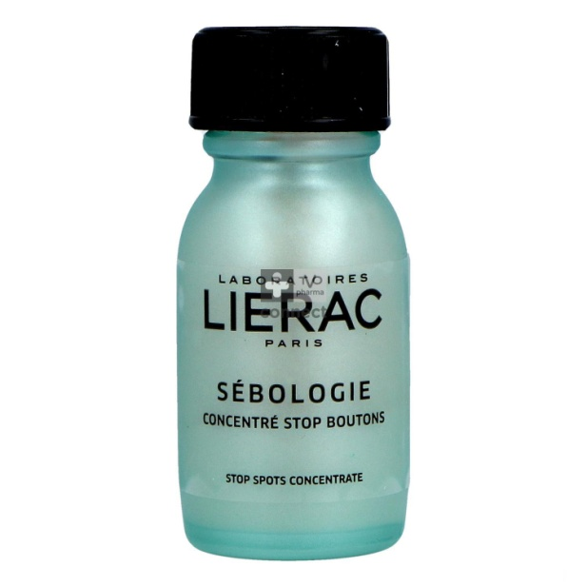 | LIERAC | LL10057A21524 | 3508240004590 | SEBOLOGIE Conc Stop Boutons 15 | 13,408 | 8.49 € | 113,833.92 €
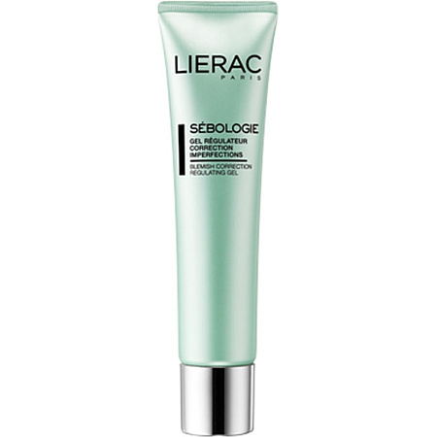 | LIERAC | LL10058A24024 | 3508240004613 | SEBOLOGIE GEL SEBO REGU MAT 40 | 1,285 | 15.00 € | 19,275.00 €
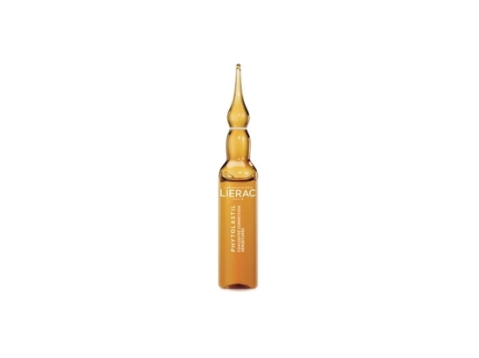 | LIERAC | LL10030M31090 | 3508240004651 | PHYTOLASTIL Ampoules 20x5ml | 5,878 | 21.40 € | 125,789.20 €
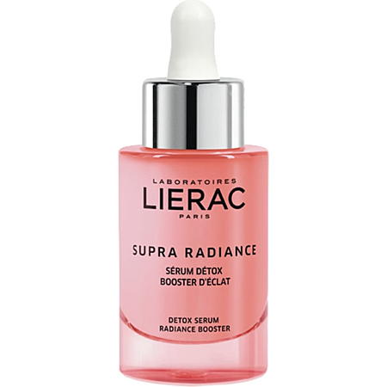 | LIERAC | LL10104A23024 | 3508240006259 | SUPRA RADIANCE SERUM 30ML | 5,962 | 44.00 € | 262,328.00 €
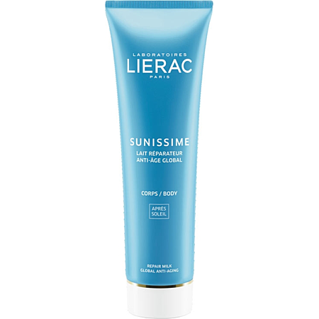 | LIERAC | LL10114A31590 | 3508240006594 | SUN LAIT REPARAT 150ML | 2,636 | 19.70 € | 51,929.20 €
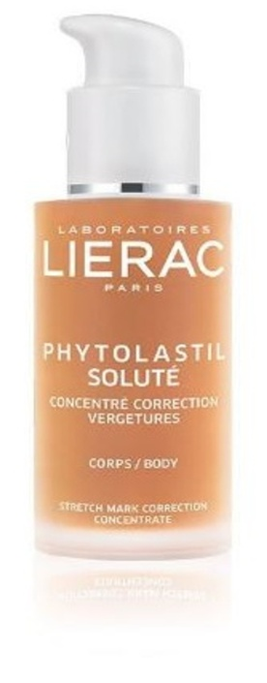 | LIERAC | LL21000P037IT | 3508240015374 | DUO PHYTOLASTIL SOLUTE IT | 1,360 | 30.50 € | 41,480.00 €
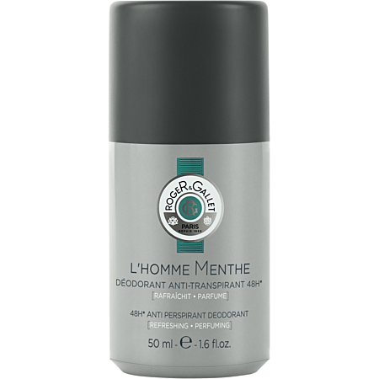 | ROGER & GALLET | PVN21025 | 3701436901691 | HOMME MENTHE DEODORANT 50ML | 373 | 5.40 € | 2,014.20 €
TOTAL LIERAC, PHYTO, ROGER GALLET |  |  |  |  | 91,855 | 19.32 € | 1,774,865.44 €

